Test Cases - Funtional
INDEX

TC_No | Test Case | Test Description | Expected Result | Actual Result | Result | Defect JIRA # | Comments
1 | DELV-23032 | RITM1737239 - ITAM - TGF Scorecard | TGF Scorecards should be available as per the mentioned logics with correctness and completeness | TGF Scorecard Dashbaord is now available | Pass
 |  |  |  |  |  |  | Completeness_Correctness Rules

Case 1 | Verify the Count of the Regitered Device are same as of the both ITAM_Hardware_c and ITAM_TGF_c cubes.

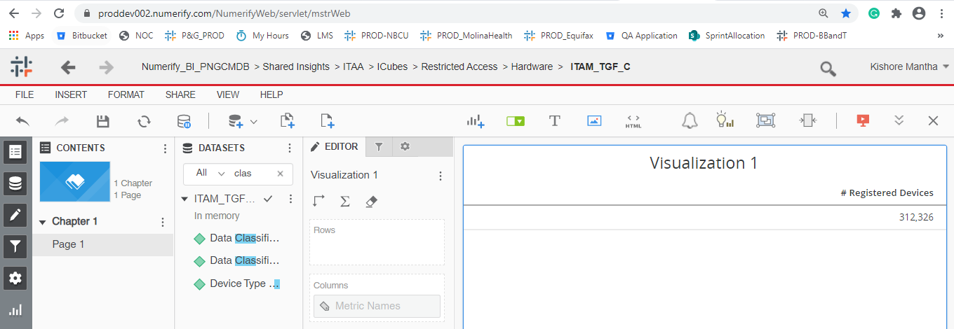
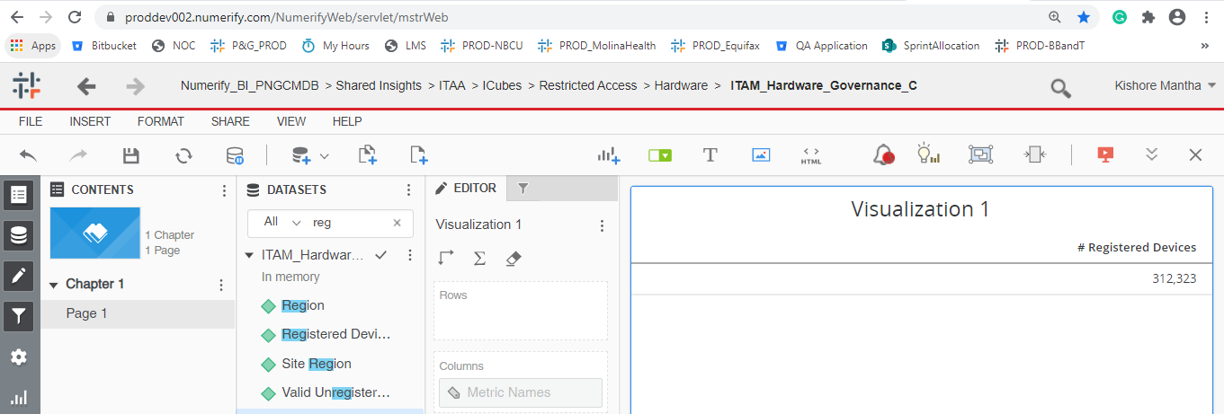

Case 2
Verify the Completenes Logic for the Class = 'Server Chassis' |  |  | Correctness logic for the Class - 'Server Chassis'

Post -Conditions the Total possible Scope Count will be 16 as belwo |  |  | Post -Conditions the Total possible Scope Count will be 8 as belwo
1.Service Now ID 2.Name 3.Serial Number 4.Bios UUID 5.Unique System ID 6.Primary MAC Address 7.Owned by 8.Location 9.Hardware Status 10.Assignmment Group 11.Model ID 12.Manufacturer 13.Device Type / Class 14.Life Cycle Status 15.Discovery Source 16.Most recent discovery date (Except (Network Connected = "No" OR Discovery source = "DIRECT") |  |  | Owned by Location Hardware Status Most recent discovery date Model ID Device Type / Class Life Cycle Status Discovery Source

 | Service Now ID | Select Count(distinct a.sys_id) AS CNT FROM png_mdsdb.cmdb_ci_final a Where a.sys_class_name IN ( 'cmdb_ci_chassis_server','cmdb_ci_desktop_pc','cmdb_ci_esx_server','cmdb_ci_hardware', 'cmdb_ci_ip_firewall','cmdb_ci_ip_switch','cmdb_ci_ip_router','cmdb_ci_laptop_pc', 'cmdb_ci_linux_server','cmdb_ci_netgear','cmdb_ci_printer','cmdb_ci_resource_group', 'cmdb_ci_storage_device','cmdb_ci_unix_server','cmdb_ci_voice_hardware','cmdb_ci_windows_service', 'u_cmdb_ci_mobile_device','u_cmdb_ci_smartphone','u_cmdb_ci_tablet''cmdb_ci_wap_network','cmdb_ci_pbx_voice') AND a.cdctype='X' AND a.u_number IS NULL;

Queries
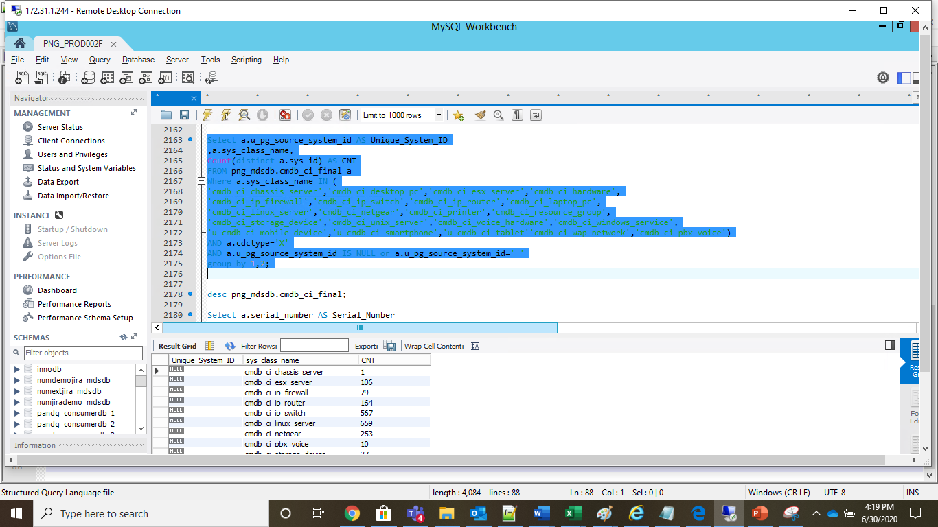
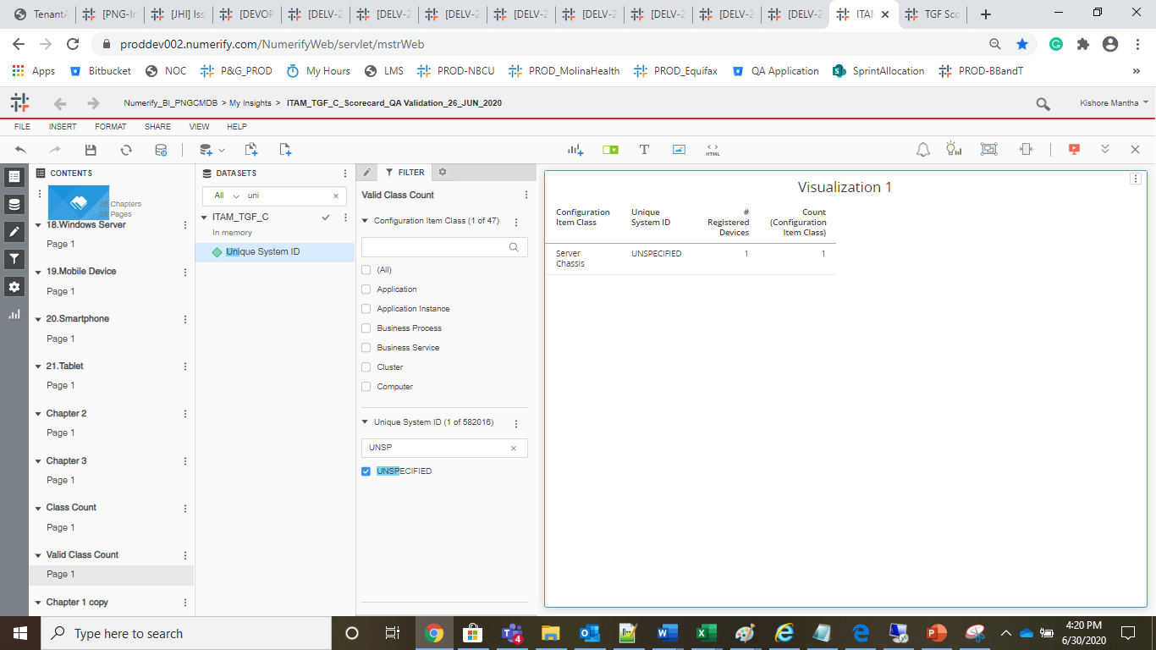
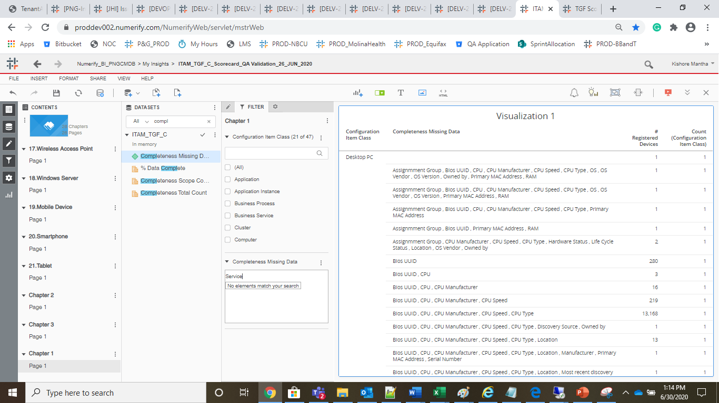
S No | Attribute Name | Completeness Source Queries | Correctness Source Query | Status
1 | Service Now ID | Select a.U_number AS Service_Now_ID,Count(distinct a.sys_id) AS CNT FROM png_mdsdb.cmdb_ci_final a Where a.sys_class_name IN ( 'cmdb_ci_chassis_server','cmdb_ci_desktop_pc','cmdb_ci_esx_server','cmdb_ci_hardware', 'cmdb_ci_ip_firewall','cmdb_ci_ip_switch','cmdb_ci_ip_router','cmdb_ci_laptop_pc', 'cmdb_ci_linux_server','cmdb_ci_netgear','cmdb_ci_printer','cmdb_ci_resource_group', 'cmdb_ci_storage_device','cmdb_ci_unix_server','cmdb_ci_voice_hardware','cmdb_ci_windows_service', 'u_cmdb_ci_mobile_device','u_cmdb_ci_smartphone','u_cmdb_ci_tablet''cmdb_ci_wap_network','cmdb_ci_pbx_voice') AND a.cdctype='X' AND a.u_number IS NULL group by 1; |  | Pass
2 | Name | Select a.name AS Device_Name,a.sys_class_name, Count(distinct a.sys_id) AS CNT FROM png_mdsdb.cmdb_ci_final a Where a.sys_class_name IN ( 'cmdb_ci_chassis_server','cmdb_ci_desktop_pc','cmdb_ci_esx_server','cmdb_ci_hardware', 'cmdb_ci_ip_firewall','cmdb_ci_ip_switch','cmdb_ci_ip_router','cmdb_ci_laptop_pc', 'cmdb_ci_linux_server','cmdb_ci_netgear','cmdb_ci_printer','cmdb_ci_resource_group', 'cmdb_ci_storage_device','cmdb_ci_unix_server','cmdb_ci_voice_hardware','cmdb_ci_windows_service', 'u_cmdb_ci_mobile_device','u_cmdb_ci_smartphone','u_cmdb_ci_tablet''cmdb_ci_wap_network','cmdb_ci_pbx_voice') AND a.cdctype='X' AND a.name IS NULL or a.name=' ' group by 1,2; |  | Pass/Clarification
3 | Serial Number | Select a.serial_number AS Serial_Number ,a.sys_class_name, Count(distinct a.sys_id) AS CNT FROM png_mdsdb.cmdb_ci_final a Where a.sys_class_name IN ( 'cmdb_ci_chassis_server','cmdb_ci_desktop_pc','cmdb_ci_esx_server','cmdb_ci_hardware', 'cmdb_ci_ip_firewall','cmdb_ci_ip_switch','cmdb_ci_ip_router','cmdb_ci_laptop_pc', 'cmdb_ci_linux_server','cmdb_ci_netgear','cmdb_ci_printer','cmdb_ci_resource_group', 'cmdb_ci_storage_device','cmdb_ci_unix_server','cmdb_ci_voice_hardware','cmdb_ci_windows_service', 'u_cmdb_ci_mobile_device','u_cmdb_ci_smartphone','u_cmdb_ci_tablet''cmdb_ci_wap_network','cmdb_ci_pbx_voice') AND a.cdctype='X' AND a.serial_number IS NULL or a.serial_number=' ' group by 1,2; |  | Pass
4 | Bios UUID | Select a.u_pg_bios_uuid AS BIOS_UUID ,a.sys_class_name, Count(distinct a.sys_id) AS CNT FROM png_mdsdb.cmdb_ci_final a Where a.sys_class_name IN ( 'cmdb_ci_chassis_server','cmdb_ci_desktop_pc','cmdb_ci_esx_server','cmdb_ci_hardware', 'cmdb_ci_ip_firewall','cmdb_ci_ip_switch','cmdb_ci_ip_router','cmdb_ci_laptop_pc', 'cmdb_ci_linux_server','cmdb_ci_netgear','cmdb_ci_printer','cmdb_ci_resource_group', 'cmdb_ci_storage_device','cmdb_ci_unix_server','cmdb_ci_voice_hardware','cmdb_ci_windows_service', 'u_cmdb_ci_mobile_device','u_cmdb_ci_smartphone','u_cmdb_ci_tablet''cmdb_ci_wap_network','cmdb_ci_pbx_voice') AND a.cdctype='X' AND a.u_pg_bios_uuid IS NULL or a.u_pg_bios_uuid=' ' group by 1,2; |  | Pass
5 | Unique System ID | Select a.u_pg_source_system_id AS Unique_System_ID ,a.sys_class_name, Count(distinct a.sys_id) AS CNT FROM png_mdsdb.cmdb_ci_final a Where a.sys_class_name IN ( 'cmdb_ci_chassis_server','cmdb_ci_desktop_pc','cmdb_ci_esx_server','cmdb_ci_hardware', 'cmdb_ci_ip_firewall','cmdb_ci_ip_switch','cmdb_ci_ip_router','cmdb_ci_laptop_pc', 'cmdb_ci_linux_server','cmdb_ci_netgear','cmdb_ci_printer','cmdb_ci_resource_group', 'cmdb_ci_storage_device','cmdb_ci_unix_server','cmdb_ci_voice_hardware','cmdb_ci_windows_service', 'u_cmdb_ci_mobile_device','u_cmdb_ci_smartphone','u_cmdb_ci_tablet''cmdb_ci_wap_network','cmdb_ci_pbx_voice') AND a.cdctype='X' AND a.u_pg_source_system_id IS NULL or a.u_pg_source_system_id=' ' group by 1,2; |  | Pass
6 | Primary MAC Address | Select a.mac_address AS Primiary_Mac_Address ,a.sys_class_name, Count(distinct a.sys_id) AS CNT FROM png_mdsdb.cmdb_ci_final a Where a.sys_class_name IN ( 'cmdb_ci_chassis_server','cmdb_ci_desktop_pc','cmdb_ci_esx_server','cmdb_ci_hardware', 'cmdb_ci_ip_firewall','cmdb_ci_ip_switch','cmdb_ci_ip_router','cmdb_ci_laptop_pc', 'cmdb_ci_linux_server','cmdb_ci_netgear','cmdb_ci_printer','cmdb_ci_resource_group', 'cmdb_ci_storage_device','cmdb_ci_unix_server','cmdb_ci_voice_hardware','cmdb_ci_windows_service', 'u_cmdb_ci_mobile_device','u_cmdb_ci_smartphone','u_cmdb_ci_tablet''cmdb_ci_wap_network','cmdb_ci_pbx_voice') AND a.cdctype='X' AND a.mac_address IS NULL or a.mac_address=' ' group by 1,2; |  | Pass | BIOS
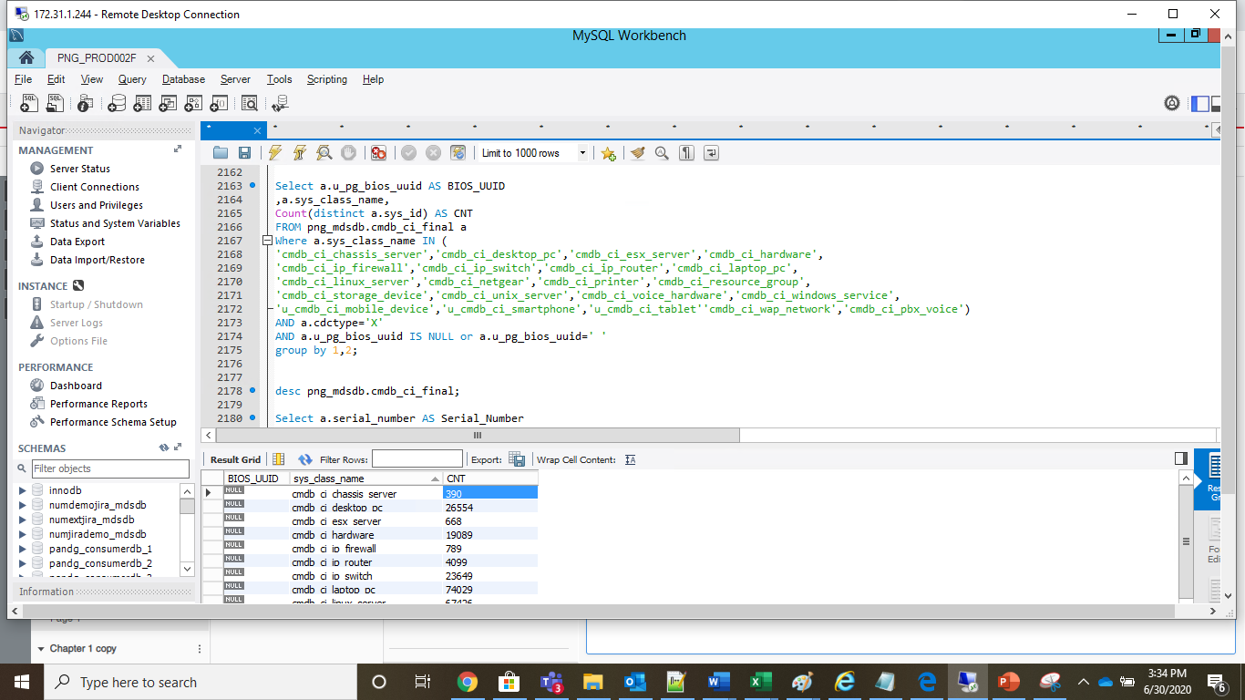
7 | Primary IP Address | Select a.ip_address AS Primiary_IP_Address ,a.sys_class_name, Count(distinct a.sys_id) AS CNT FROM png_mdsdb.cmdb_ci_final a Where a.sys_class_name IN ( 'cmdb_ci_chassis_server','cmdb_ci_desktop_pc','cmdb_ci_esx_server','cmdb_ci_hardware', 'cmdb_ci_ip_firewall','cmdb_ci_ip_switch','cmdb_ci_ip_router','cmdb_ci_laptop_pc', 'cmdb_ci_linux_server','cmdb_ci_netgear','cmdb_ci_printer','cmdb_ci_resource_group', 'cmdb_ci_storage_device','cmdb_ci_unix_server','cmdb_ci_voice_hardware','cmdb_ci_windows_service', 'u_cmdb_ci_mobile_device','u_cmdb_ci_smartphone','u_cmdb_ci_tablet''cmdb_ci_wap_network','cmdb_ci_pbx_voice') AND a.cdctype='X' AND a.ip_address IS NULL or a.ip_address=' ' group by 1,2; |  | Pass
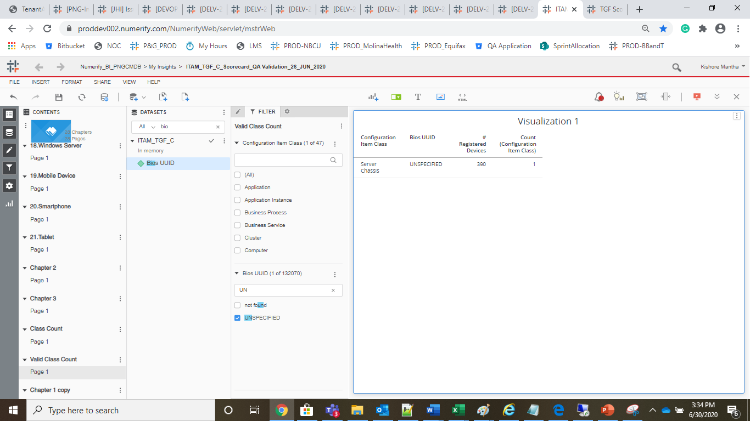
8 | Owned by | Select a.owned_by AS Owned_By ,a.sys_class_name, Count(distinct a.sys_id) AS CNT FROM png_mdsdb.cmdb_ci_final a Where a.sys_class_name IN ( 'cmdb_ci_chassis_server','cmdb_ci_desktop_pc','cmdb_ci_esx_server','cmdb_ci_hardware', 'cmdb_ci_ip_firewall','cmdb_ci_ip_switch','cmdb_ci_ip_router','cmdb_ci_laptop_pc', 'cmdb_ci_linux_server','cmdb_ci_netgear','cmdb_ci_printer','cmdb_ci_resource_group', 'cmdb_ci_storage_device','cmdb_ci_unix_server','cmdb_ci_voice_hardware','cmdb_ci_windows_service', 'u_cmdb_ci_mobile_device','u_cmdb_ci_smartphone','u_cmdb_ci_tablet''cmdb_ci_wap_network','cmdb_ci_pbx_voice') AND a.cdctype='X' AND a.owned_by IS NULL or a.owned_by=' ' group by 1,2; | Select a.sys_class_name, Count(distinct a.sys_id) AS CNT FROM png_mdsdb.cmdb_ci_final a LEFT JOIN png_mdsdb.sys_user_final b ON a.owned_by=b.sys_id AND a.sourceinstance=b.sourceinstance Where a.sys_class_name IN ( 'cmdb_ci_chassis_server','cmdb_ci_desktop_pc','cmdb_ci_esx_server','cmdb_ci_hardware', 'cmdb_ci_ip_firewall','cmdb_ci_ip_switch','cmdb_ci_ip_router','cmdb_ci_laptop_pc', 'cmdb_ci_linux_server','cmdb_ci_netgear','cmdb_ci_printer','cmdb_ci_resource_group', 'cmdb_ci_storage_device','cmdb_ci_unix_server','cmdb_ci_voice_hardware','cmdb_ci_windows_service', 'u_cmdb_ci_mobile_device','u_cmdb_ci_smartphone','u_cmdb_ci_tablet''cmdb_ci_wap_network','cmdb_ci_pbx_voice') AND a.cdctype='X' AND a.owned_by IS not NULL AND b.active=0 group by 1; | Pass
9 | Location | Select a.location AS Location ,a.sys_class_name, Count(distinct a.sys_id) AS CNT FROM png_mdsdb.cmdb_ci_final a Where a.sys_class_name IN ( 'cmdb_ci_chassis_server','cmdb_ci_desktop_pc','cmdb_ci_esx_server','cmdb_ci_hardware', 'cmdb_ci_ip_firewall','cmdb_ci_ip_switch','cmdb_ci_ip_router','cmdb_ci_laptop_pc', 'cmdb_ci_linux_server','cmdb_ci_netgear','cmdb_ci_printer','cmdb_ci_resource_group', 'cmdb_ci_storage_device','cmdb_ci_unix_server','cmdb_ci_voice_hardware','cmdb_ci_windows_service', 'u_cmdb_ci_mobile_device','u_cmdb_ci_smartphone','u_cmdb_ci_tablet''cmdb_ci_wap_network','cmdb_ci_pbx_voice') AND a.cdctype='X' AND a.location IS NULL or a.owned_by=' ' group by 1,2; | Select a.sys_class_name, Count(distinct a.sys_id) AS CNT FROM png_mdsdb.cmdb_ci_final a LEFT JOIN png_mdsdb.cmn_location_final b ON a.location=b.sys_id AND a.sourceinstance=b.sourceinstance Where a.sys_class_name IN ( 'cmdb_ci_chassis_server','cmdb_ci_desktop_pc','cmdb_ci_esx_server','cmdb_ci_hardware', 'cmdb_ci_ip_firewall','cmdb_ci_ip_switch','cmdb_ci_ip_router','cmdb_ci_laptop_pc', 'cmdb_ci_linux_server','cmdb_ci_netgear','cmdb_ci_printer','cmdb_ci_resource_group', 'cmdb_ci_storage_device','cmdb_ci_unix_server','cmdb_ci_voice_hardware','cmdb_ci_windows_service', 'u_cmdb_ci_mobile_device','u_cmdb_ci_smartphone','u_cmdb_ci_tablet''cmdb_ci_wap_network','cmdb_ci_pbx_voice') AND a.cdctype='X' AND a.location IS not NULL AND b.u_active=0 group by 1; | Pass
10 | Hardware Status
11 | Most recent discovery date | Select a.last_discovered AS Most_recent_discovery_date,a.sys_class_name, Count(distinct a.sys_id) AS CNT FROM png_mdsdb.cmdb_ci_final a Where a.sys_class_name IN ( 'cmdb_ci_chassis_server','cmdb_ci_desktop_pc','cmdb_ci_esx_server','cmdb_ci_hardware', 'cmdb_ci_ip_firewall','cmdb_ci_ip_switch','cmdb_ci_ip_router','cmdb_ci_laptop_pc', 'cmdb_ci_linux_server','cmdb_ci_netgear','cmdb_ci_printer','cmdb_ci_resource_group', 'cmdb_ci_storage_device','cmdb_ci_unix_server','cmdb_ci_voice_hardware','cmdb_ci_windows_service', 'u_cmdb_ci_mobile_device','u_cmdb_ci_smartphone','u_cmdb_ci_tablet''cmdb_ci_wap_network','cmdb_ci_pbx_voice') AND a.cdctype='X' AND a.last_discovered IS NULL or a.last_discovered=' ' group by 1,2;

Linux Server
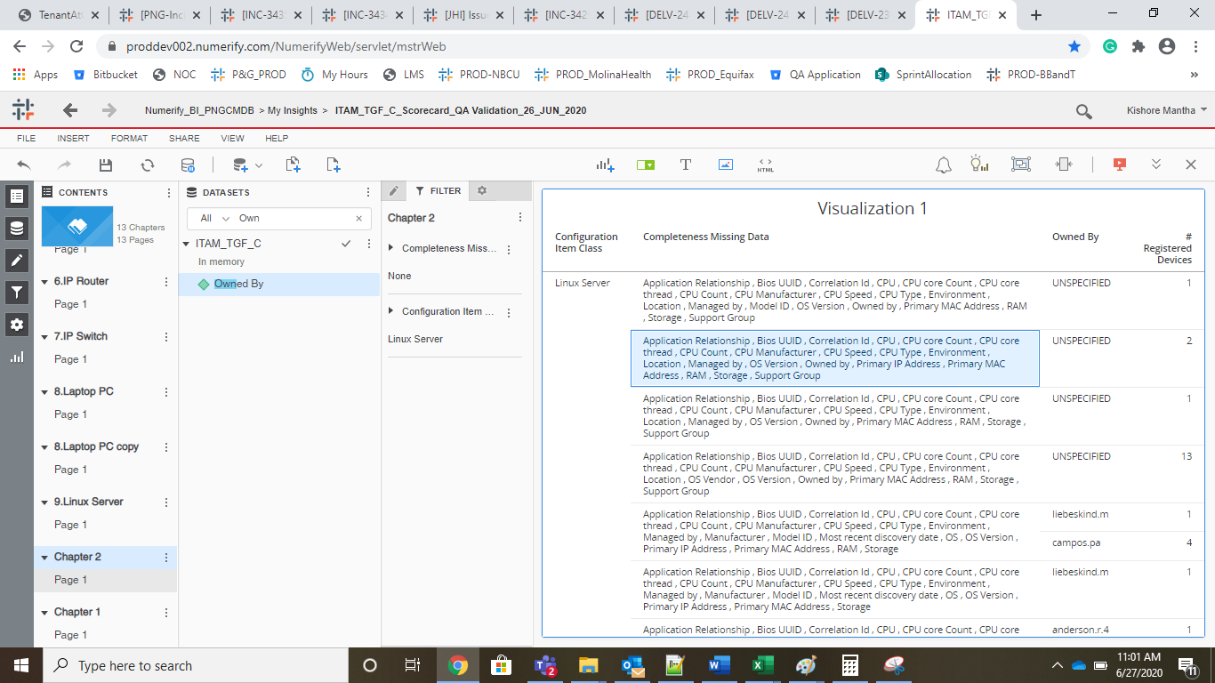
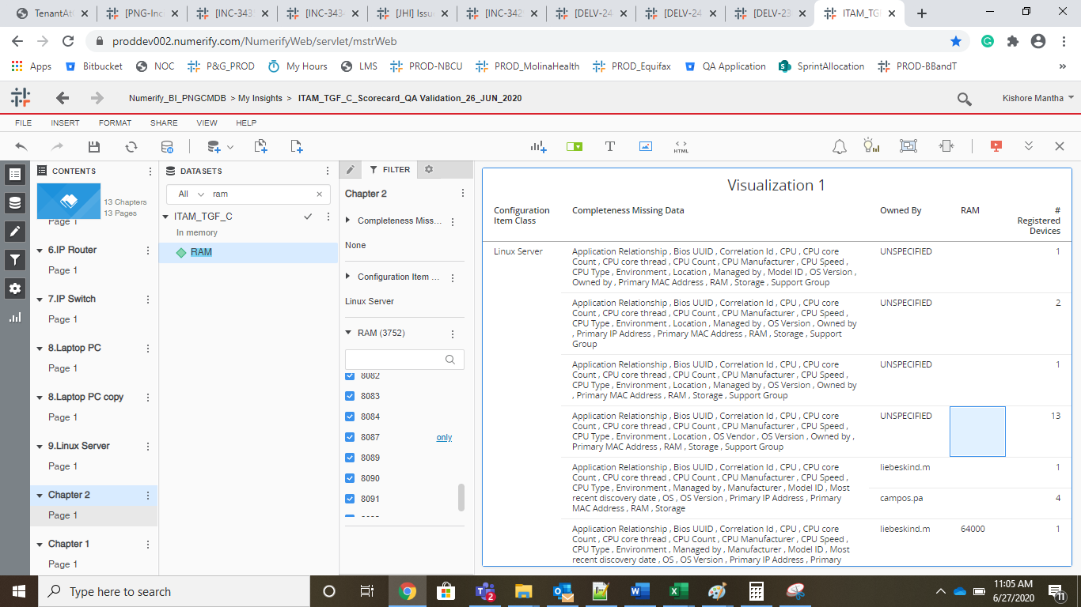
Managed by | Support group

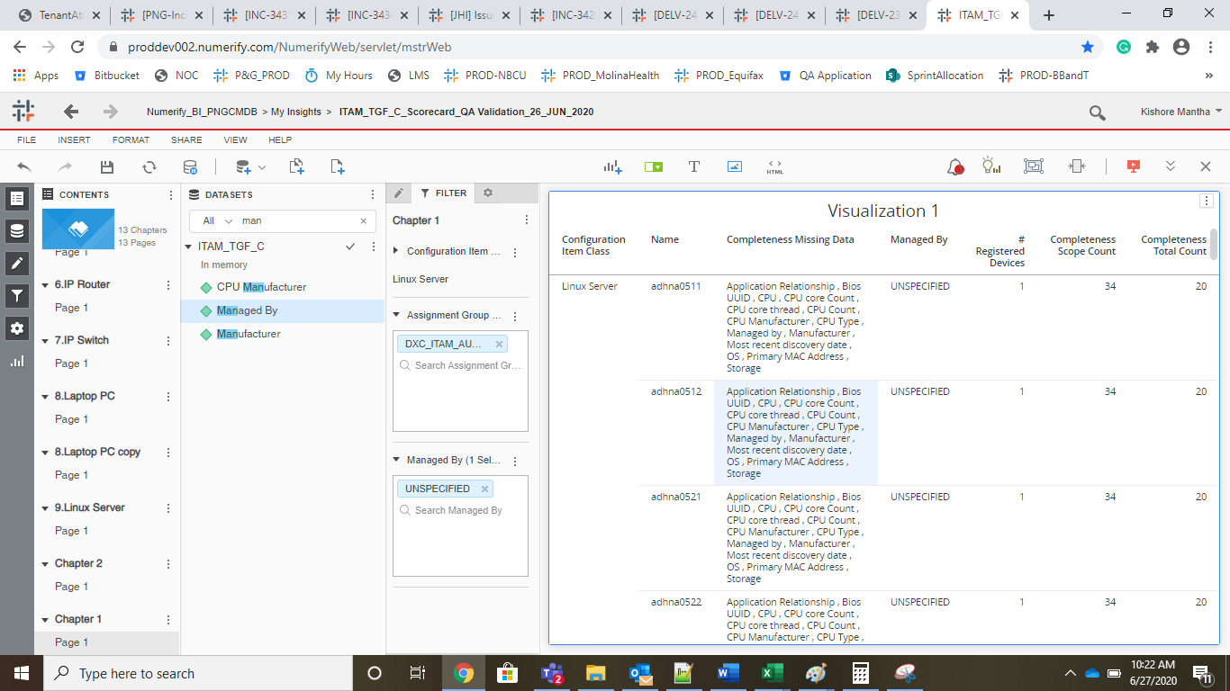
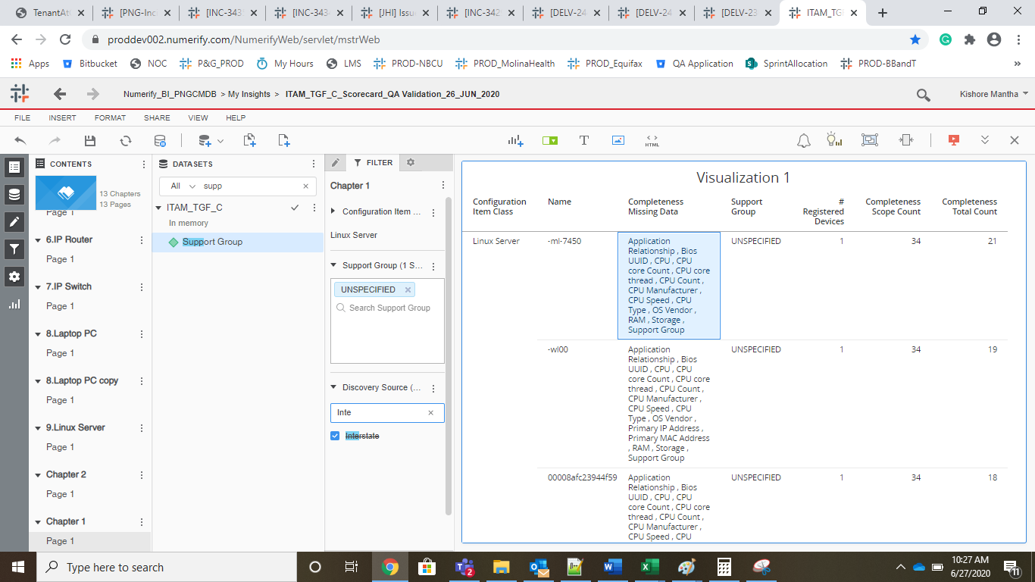

Environment | Correlation ID

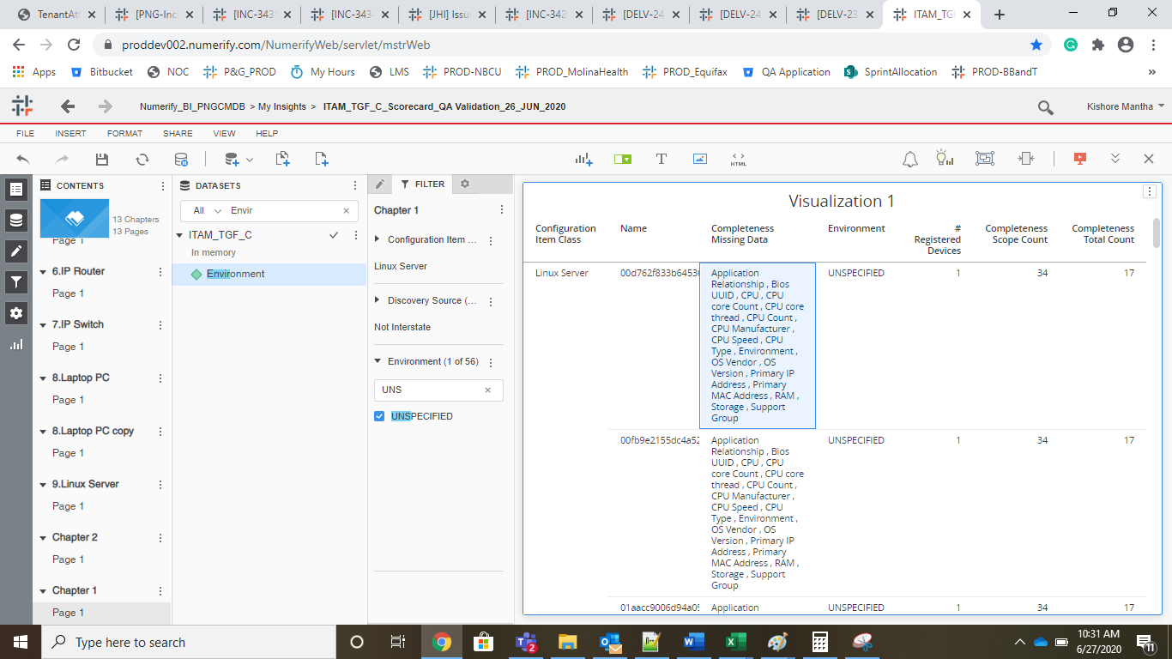
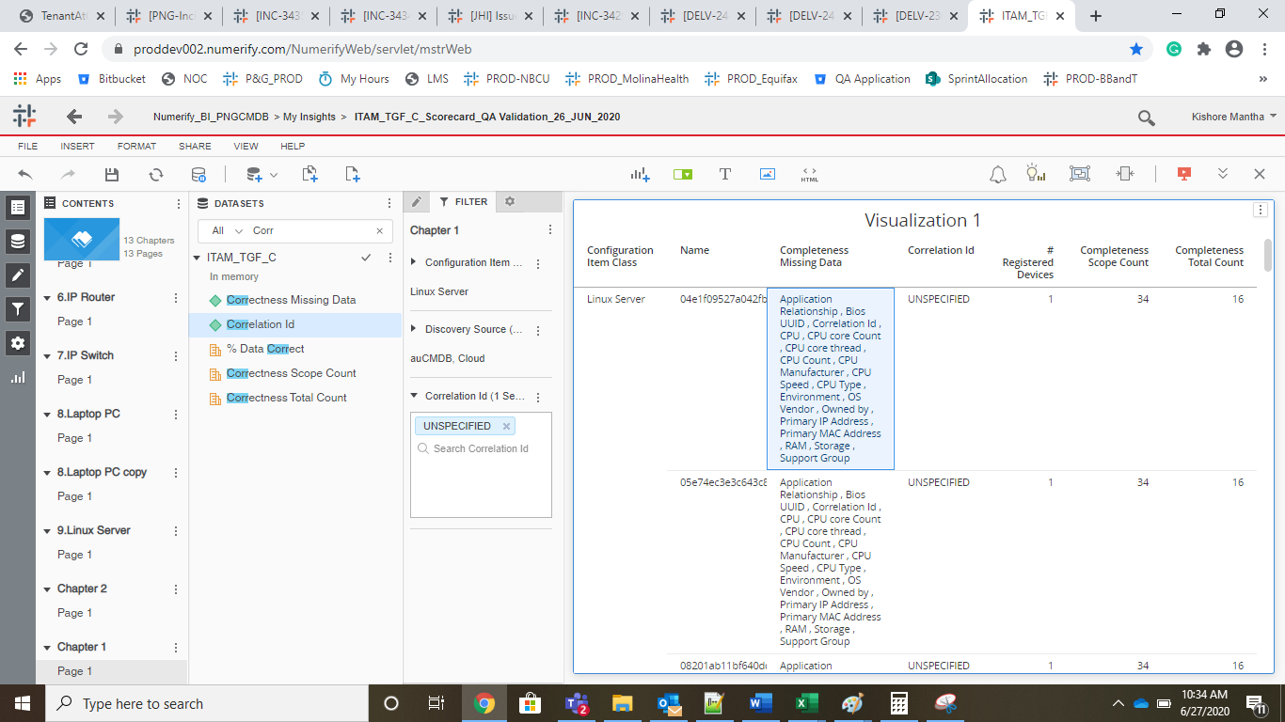

Application Relationshp | Cloud Subscription

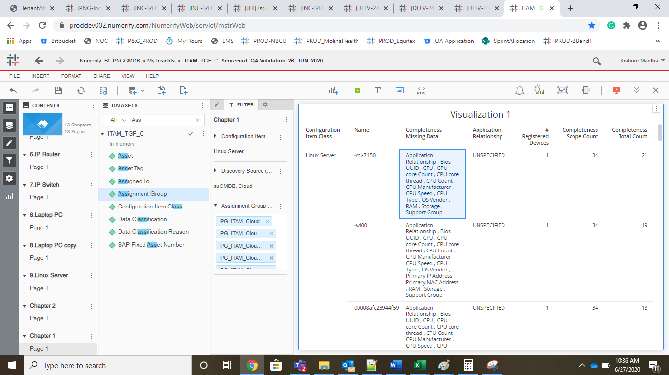
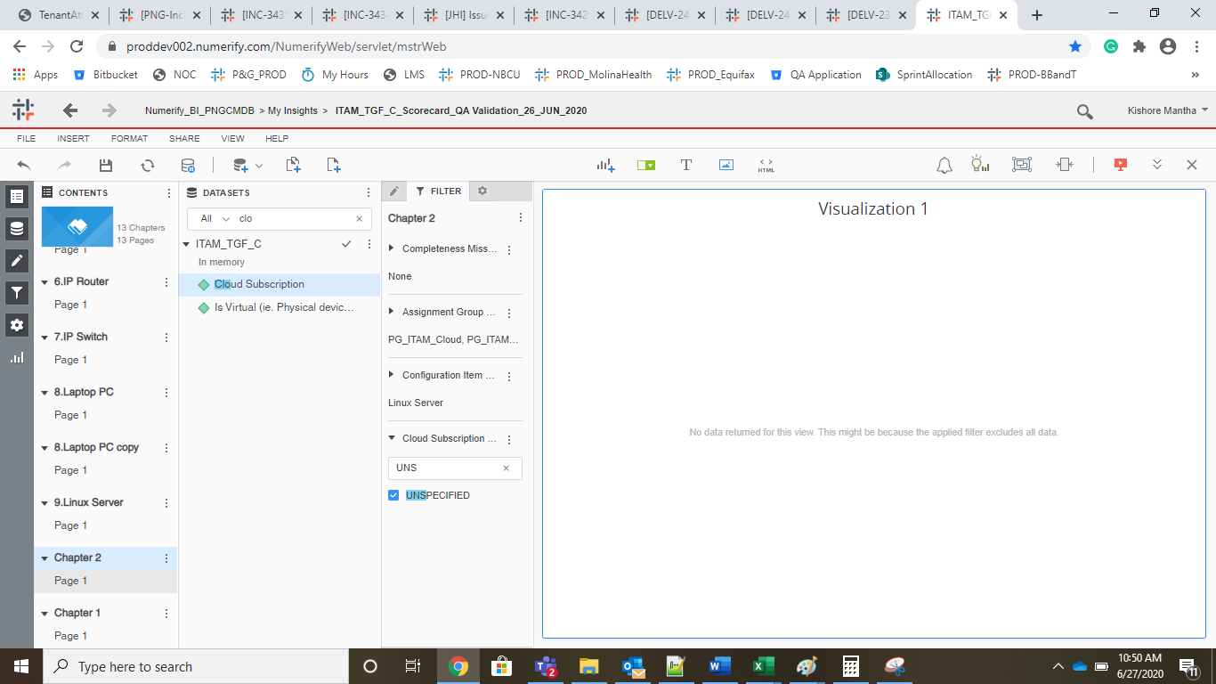

Serial Number | Primary Mac Address and Primary IP Address

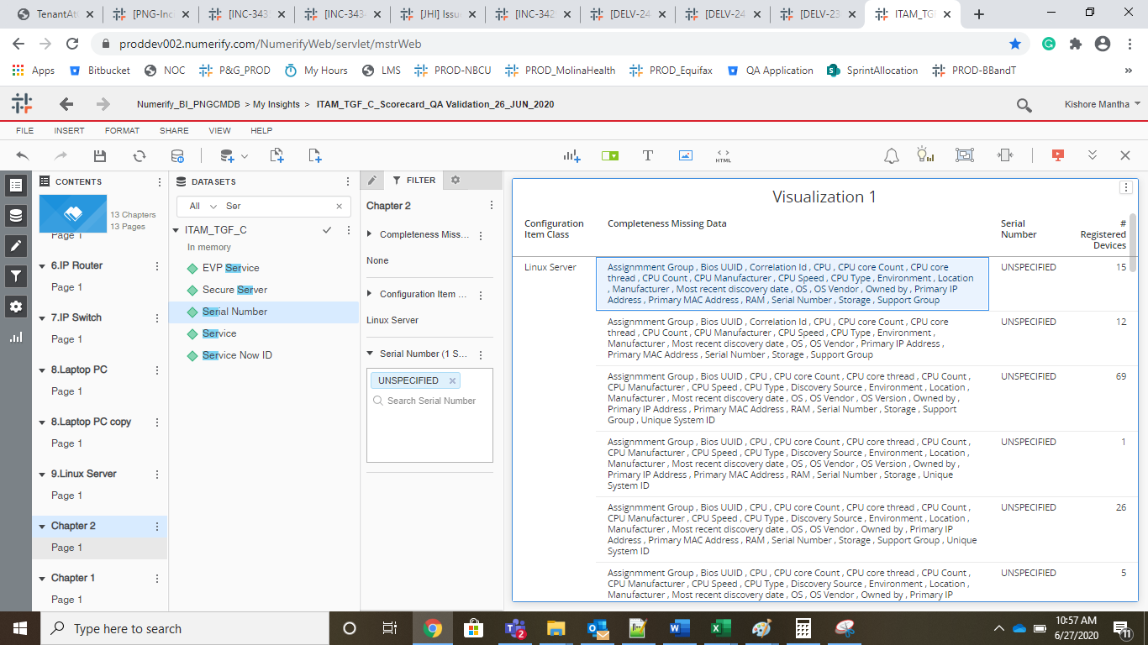
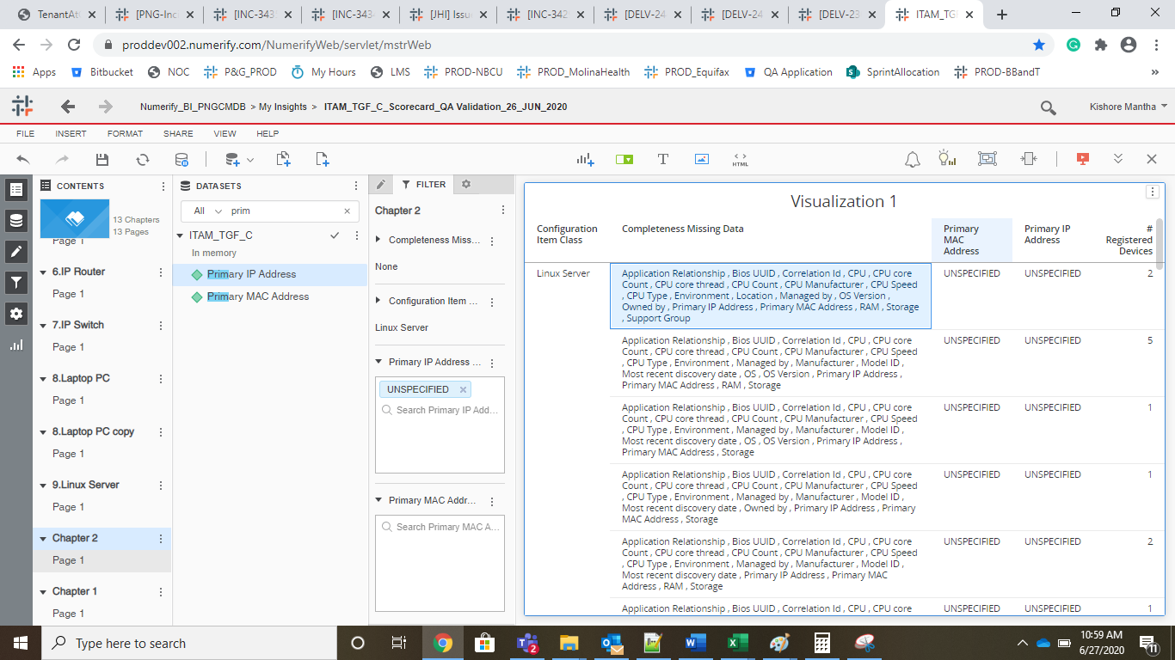

Owned By | Ram

Test Cases - Cube Count
INDEX

Pre Requisite: | Cube query has to be updated for latest changes

TC_No | Test Case | Expected Result | Actual Result | Result | Cube query name | Defect JIRA # | Comments
1 | ITAM_TGF_C cube Count drops validation | No Count drops should be noticed | No Count Drops are observed | Pass | ITAM_TGF_C_detailed_redshift
2 | ITAm_TGF_C Snapshot Count drops validation | No Count drops should be noticed | No Count Drops are observed | pass | ITAM_TGF_Snapshot_detailed_redshift

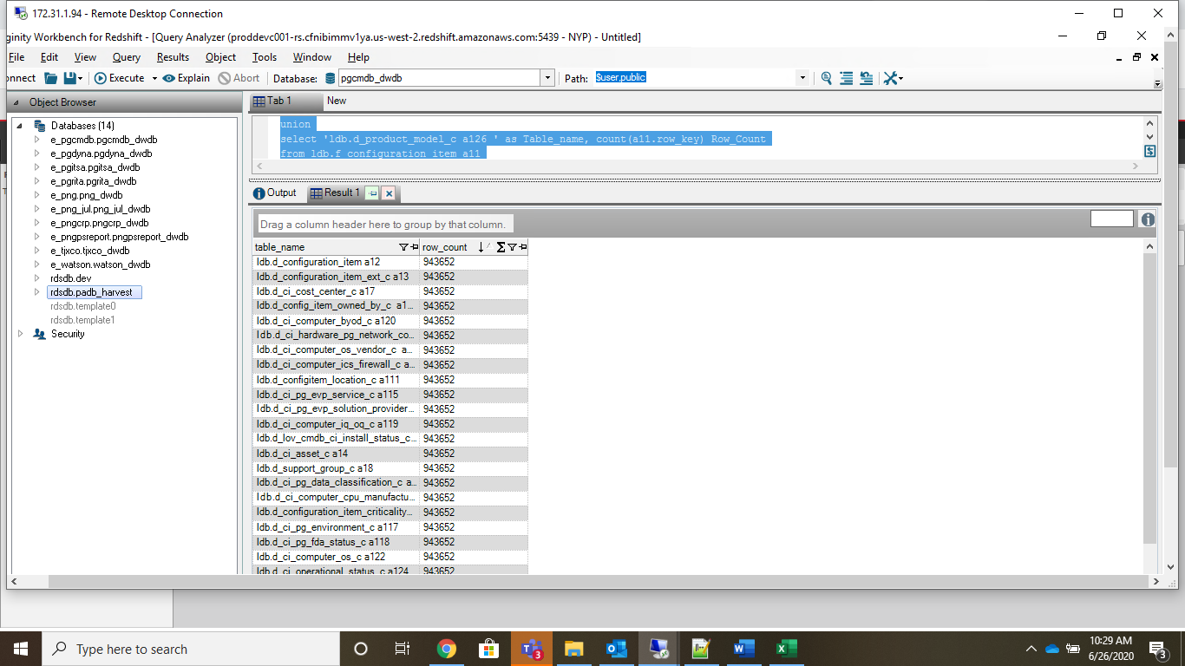
 | ITAM_TGF_C_detailed_redshift
select 'ldb.f_configuration_item a11 ' as Table_name, count(a11.row_key) Row_Count from ldb.f_configuration_item a11 union select 'ldb.d_configuration_item a12 ' as Table_name, count(a11.row_key) Row_Count from ldb.f_configuration_item a11 join ldb.d_configuration_item a12 on (a11.configuration_item_key = a12.row_key) union select 'ldb.d_configuration_item_ext_c a13 ' as Table_name, count(a11.row_key) Row_Count from ldb.f_configuration_item a11 join ldb.d_configuration_item a12 on (a11.configuration_item_key = a12.row_key) join ldb.d_configuration_item_ext_c a13 on (a12.configuration_item_ext_c_key = a13.row_key) union select 'ldb.d_ci_asset_c a14 ' as Table_name, count(a11.row_key) Row_Count from ldb.f_configuration_item a11 join ldb.d_ci_asset_c a14 on (a11.ci_asset_c_key = a14.row_key) union select 'ldb.d_internal_contact_assigned_to a15 ' as Table_name, count(a11.row_key) Row_Count from ldb.f_configuration_item a11 join ldb.d_internal_contact_assigned_to a15 on (a11.assigned_to_key = a15.row_key) union select 'ldb.d_internal_organization_group a16 ' as Table_name, count(a11.row_key) Row_Count from ldb.f_configuration_item a11 join ldb.d_internal_organization_group a16 on (a11.assignment_group_key = a16.row_key) union select 'ldb.d_ci_cost_center_c a17 ' as Table_name, count(a11.row_key) Row_Count from ldb.f_configuration_item a11 join ldb.d_ci_cost_center_c a17 on (a11.ci_cost_center_c_key = a17.row_key) union select 'ldb.d_support_group_c a18 ' as Table_name, count(a11.row_key) Row_Count from ldb.f_configuration_item a11 join ldb.d_support_group_c a18 on (a11.support_group_c_key = a18.row_key) union select 'ldb.d_ci_computer_ics_firewall_c a19 ' as Table_name, count(a11.row_key) Row_Count from ldb.f_configuration_item a11 join ldb.d_configuration_item a12 on (a11.configuration_item_key = a12.row_key) join ldb.d_configuration_item_ext_c a13 on (a12.configuration_item_ext_c_key = a13.row_key) join ldb.d_ci_computer_ics

 | ITAM_TGF_Snapshot_detailed_redshift

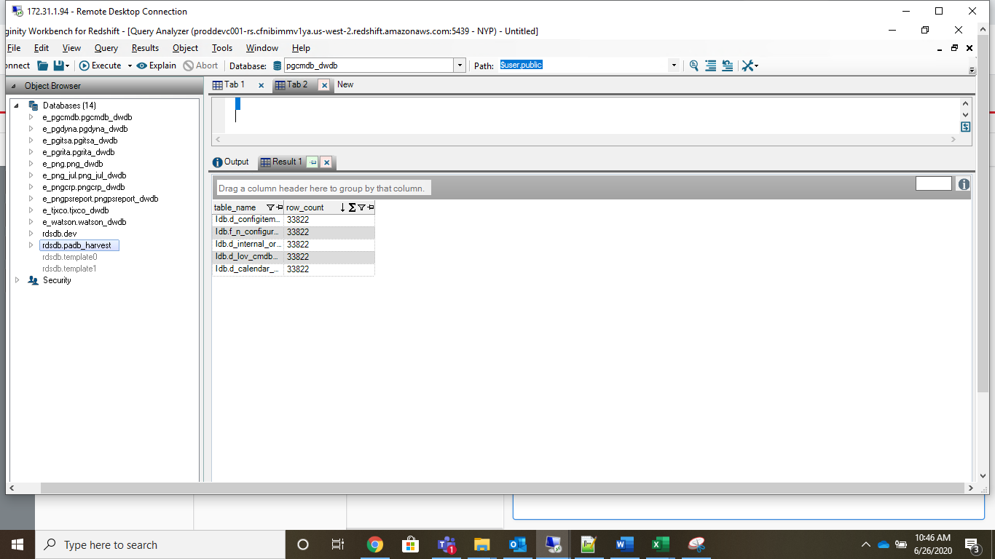
select 'ldb.f_n_configuration_item_monthly_tgf_c a11 ' as Table_name, count(a11.row_key) Row_Count from ldb.f_n_configuration_item_monthly_tgf_c a11 union select 'ldb.d_internal_organization_group a12 ' as Table_name, count(a11.row_key) Row_Count from ldb.f_n_configuration_item_monthly_tgf_c a11 join ldb.d_internal_organization_group a12 on (a11.assignment_group_key = a12.row_key) union select 'ldb.d_configitem_location_c a13 ' as Table_name, count(a11.row_key) Row_Count from ldb.f_n_configuration_item_monthly_tgf_c a11 join ldb.d_configitem_location_c a13 on (a11.location_key = a13.row_key) union select 'ldb.d_calendar_month a14 ' as Table_name, count(a11.row_key) Row_Count from ldb.f_n_configuration_item_monthly_tgf_c a11 join ldb.d_calendar_month a14 on (a11.month_start_date_snapshot_key_c = a14.row_key) union select 'ldb.d_lov_cmdb_ci_discovery_source_c a15 ' as Table_name, count(a11.row_key) Row_Count from ldb.f_n_configuration_item_monthly_tgf_c a11 join ldb.d_lov_cmdb_ci_discovery_source_c a15 on (a11.cmdb_ci_discovery_source_c_key = a15.row_key)

Instructions
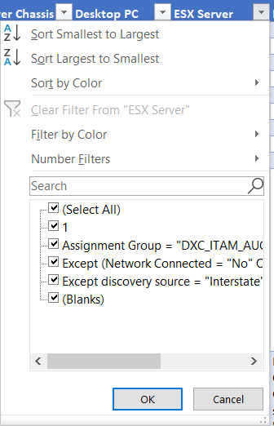
The "Valid Classes" sheet contains information on the classes within the CMDB and which ones are considered valid for the purposes of Hardware IT Asset Management
 | The "Valid Hardware Class?" column identifies whether the class within CMDB is valid. Note that this doesn't mean that the CMDB will prevent you from selecting classes deemed invalid for Hardware
 | If the class is invalid for hardware, the "Reclassify to:" provides guidance on the recommended class to be used instead
 | There are no recommendations for classes that are not hardware in nature (Ex: applications)

The "Completeness_Correctness Rules" provides guidance on what information is required to be collected in the CMDB for different asset classes
 | The "Service Now Field" provides the exact attribute where the information should be stored in the CMDB
 | The "Attribute Group" documents the specific tabbed section within the CMDB the attribute can be found
 | Correctness Logic governs what information should be collected alongside certain exceptions

Instructions:
 | To find out what information is required by each asset class, filter out blanks from the selection. The remaining fields are required for the filtered class.

